Job Details

Job Number & Name: | 35084 LB Bexley
Site Number/Name: | Site 21 - Dorchester Avenue
Client: | Waterman
Date: | 2023-03-30

Site Plan
Advanced Transport Research |  |  | Job Number & Name: | 35084 LB Bexley
Site 21 - Dorchester Avenue |  |  | Date: | 2023-03-30

Job Type: | Pedestrian & Vehicle Count
Co-ordinates: | 51°26'30.49"N, 0° 7'35.49"E | Postcode: | DA5 3AJ |  | Times: | 0730-0930 1430-1630

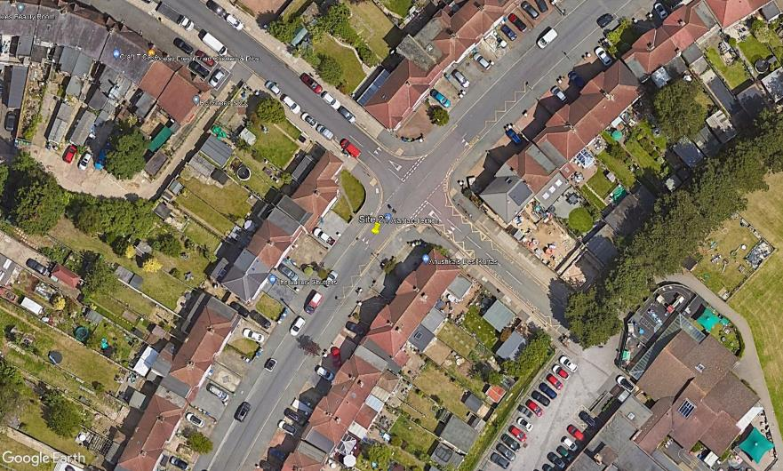
N
Montpelier Avenue
1
2

B

A

D

C

3

Dorchester Avenue

